Project4310
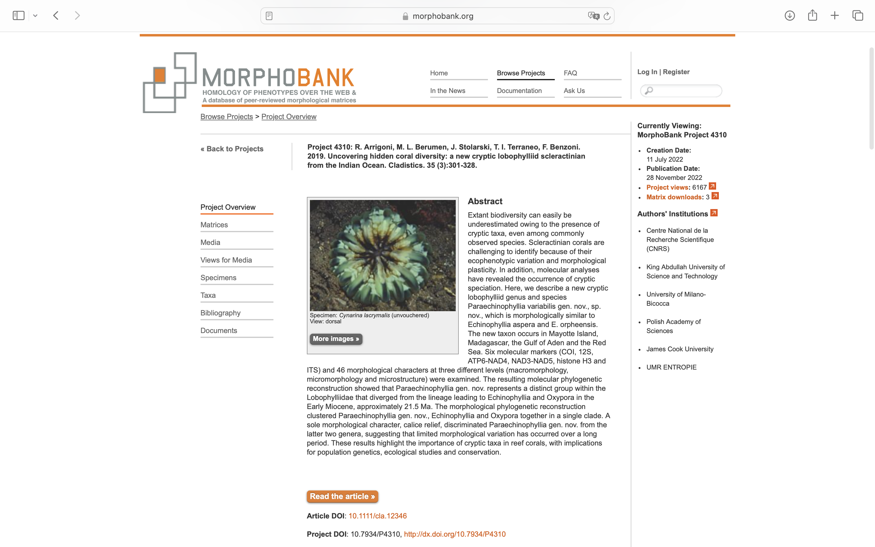
Charlabels | Character Pattern | Unseen States
[1] 'Intracalicular budding' | Neomorphic | NO
[2] 'Extracalicular budding' | Neomorphic | NO
[3] 'Polymorphism' | Neomorphic | NO
[4] 'Monticules' | Neomorphic | NO
[5] 'Corallite integration' | Transformational | YES
[6] 'Coenosteum amount' | Transformational | YES
[7] 'Coenosteum structure' | Transformational | YES
[8] 'Calice width' | Transformational | NO
[9] 'Calice relief' | Transformational | NO
[10] 'Continuity of costosepta' | Transformational | NO
[11] 'Number of septa' | Transformational | NO
[12] 'Free septa' | NT2;0=0-;1=11;2=12
[13] 'Septa spacing (per 5 mm)' | Transformational | NO
[14] 'Relative costosepta thickness' | Transformational | NO
[15] 'Columella linkage' | Transformational | NO
[16] 'Columella structure' | Transformational | YES
[17] 'Columella size (relative to calice width)' | Transformational | NO
[18] 'Development of paliform lobes' | NT?;0=0-;1=11;2=12
[19] 'Development of septal lobes' | NT?;0=0-;1=11;2=12
[20] 'Epitheca' | NT?;0=0-;1=11;2=12
[21] 'Endotheca' | Transformational | YES
[22] 'Tooth base outline (mid-calice)' | Transformational | YES
[23] 'Tooth tip outline (mid-calice)' | Transformational | YES
[24] 'Tooth tip orientation (mid-calice)' | Transformational | YES
[25] 'Tooth height (S1)' | Transformational | NO
[26] 'Tooth spacing (S1)' | Transformational | NO
[27] 'More than 6 teeth per septum' | Neomorphic | NO
[28] 'S1/S3 tooth shape' | Transformational | NO
[29] 'Wall/septum tooth size' | Transformational | NO
[30] 'Granule distribution' | Transformational | YES
[31] 'Granule shape' | Transformational | YES
[32] 'Interarea' | Transformational | YES
[33] 'Synapticulotheca' | Neomorphic | NO
[34] 'Septotheca' | NT?;0=0-;1=11;2=12
[35] 'Abortive septa' | NT?;0=0-;1=11;2=12
[36] 'Trabeculotheca' | NT?;0=0-;1=11;2=12
[37] 'Paratheca' | NT?;0=0-;1=11;2=12
[38] 'Thickening deposits/structure' | Transformational | YES
[39] 'Costa centre clusters' | NT?;0=0-;1=11;2=12
[40] 'Distance between costa clusters' | Transformational | NO
[41] 'Costa medial lines' | NT?;0=0-;1=11;2=12
[42] 'Septum centre clusters' | NT?;0=0-;1=11;2=12
[43] 'Distance between septum clusters' | Transformational | NO
[44] 'Septum medial lines' | NT?;0=0-;1=11;2=12
[45] 'Transverse crosses' | Neomorphic | NO
[46] 'Columella centres' | Transformational | YES

